Final ERD
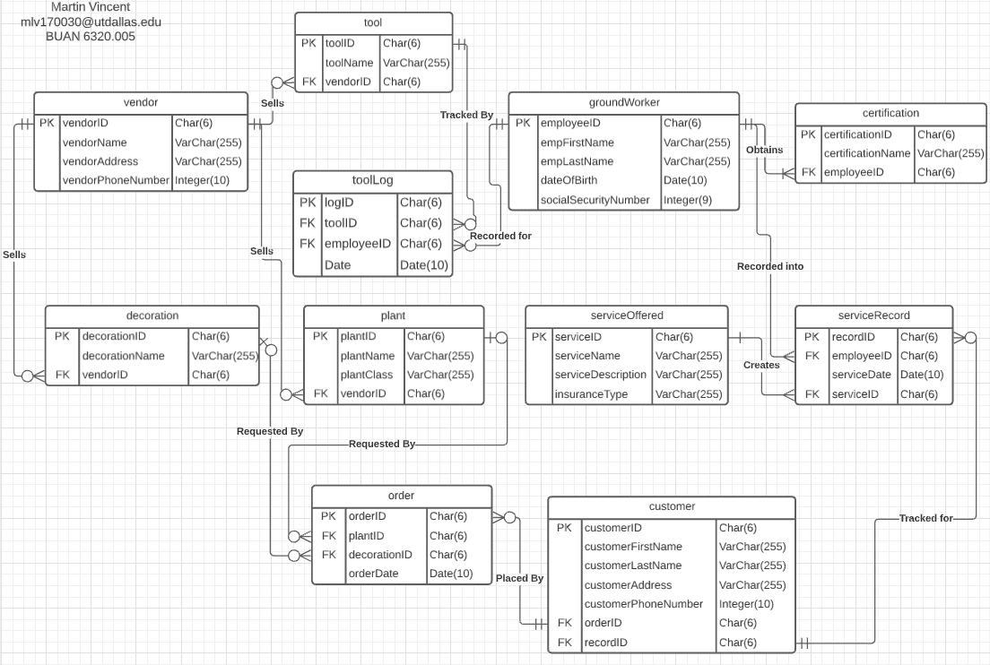
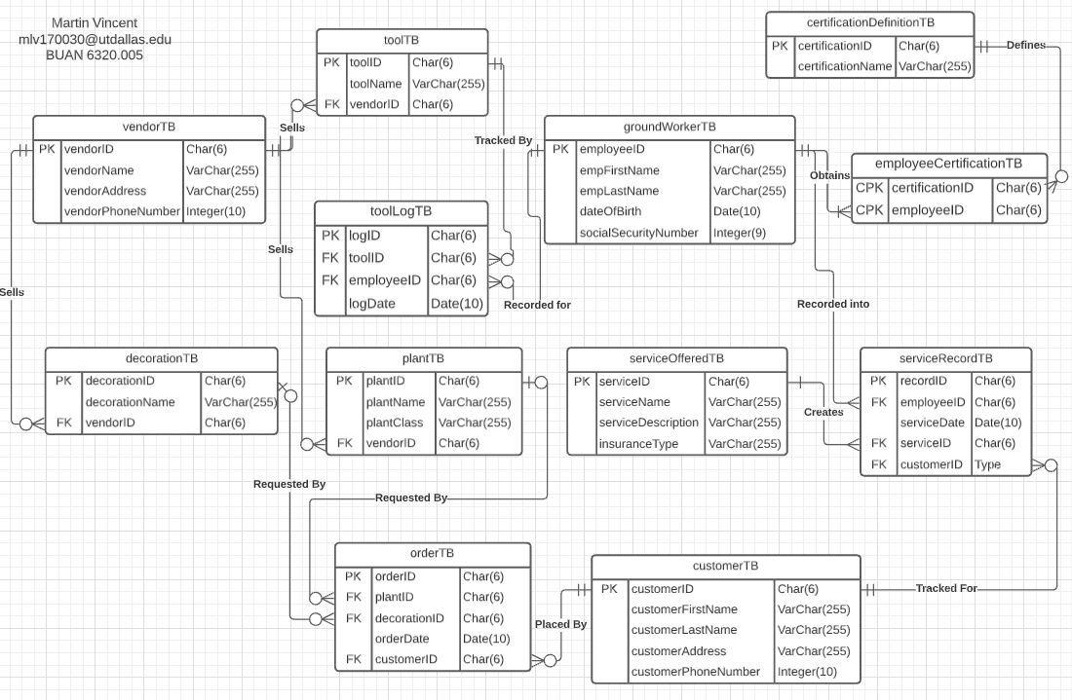
Before | After | All table names were changed, added table employeeCertificationTB, and modified certificationDefinitionTB and customerTB

